1. Title Page
[Project Name]

Project Name : Instacart Grocery Basket Analysis
Date: 22/10/2023
Analyst Name: Kirti Mundada

Contents:
Population Flow
Consistency checks
Wrangling steps
Column derivations
Visualizations
Recommendations

2. Population Flow
Title page

Population flow

Exclusion flag
Condition: max_order <
Obervations to be removed:
Final total count of order_products_all:
32434489, 4
49693, 5
206209, 10
3421083, 7

49672,6
206209, 10
3421083,8
32434489, 4

Orders_products_combined
Orders_products_merged
Orders_products_all

Total:
Total: 32640698,12
32404859, 14
Total: 30964564, 38

1.) The grey boxes in the first row of the population flow represent the original data sets as they were when you downloaded them. In the Total fields you need to add the count of the rows when you imported the data set into Jupyter.
2.) The second row of boxes (coloured) represents the data sets after you manipulated them, e.g., removed missing values and duplicates. In the Total fields you need to add the count of the rows after conducting these operations. This offers a visual oveview of how the data flows throughout the data consistency checks.
3.) The third row, where also the arrows are coloured, represents the merges you performed between the datasets. In the Total fields you need to add the count of the rows in the merged datasets, so that you end up with the final dataset (in the red box). Keep in mind the final dataset should be without exclusions (based on the exclusion flag).

3. Consistency checks
 |  |  |  | Title page
Consistency checks

Dataset | Missing values | Missing values treatment | Duplicates
orders | days_since_prior_order - 206209 values were null which was 6% of the data | No treatment, the 'order_number' of all these customers is 1 | 0 duplicates detected
products | 16 values missing from product_name column | Removed 16 missing values in the product_name column | 5 duplicates detected and removed
orders_products_prior | no missing values found |  | no duplicates found
customers | 11,259 missing values in customer first_name column | Each customer has a unique ID and first and last names will be removed, so these values were kept | no duplicates found

4. Wrangling steps
 |  |  |  | Title page
Wrangling steps

Columns dropped | Columns renamed | Columns' type changed | Comment/Reason
eval_set column dropped from orders |  |  | Not necessary for analysis
 | order_dow renamed to order_day_of_week in orders |  | to make more clear that this is the day of the week
 |  | order_id from orders changed from int to string | This is an identifier, should be a string not an integer
 |  | transposed departments from horizontal dataset to vertical | Needs to be transposed so that each department id is associated with the correct department name
 |  | product_name in products changed from int to string type | This is an identifier, should be a string not an integer
unnamed column dropped from products |  |  | Not necessary for analysis
_merge column dropped from orders_products_combined |  |  | Not necessary for analysis
 | First Name renamed to first_name in customers |  | To keep column titles consistent
 | Surnam renamed to last_name in customers |  | To keep column titles consistent
 | STATE renamed to state in customers |  | To keep column titles consistent
 | Gender renamed to sex in customers |  | To keep column titles consistent
 | Age renamed to age in customers |  | To keep column titles consistent
first_name and last_name removed from customers |  |  | Remove PII data, each customer has a unique ID so names are not necessary

5. Column derivations
 |  |  |  | Title page

Column derivations and aggregations

In this tab you should add tables below that the frequences of flags/label variables that you produced after deriving them. NB: don't do this for continuous variables, only for flags.
Dataset | New column | Column/s it was derived from | Conditions
orders_products_aggregated | price_range_loc | prices | Low range product: prices <=5 Mid range product: prices >5 & <= 15 High range product: prices > 15
orders_products_aggregated | busiest_day | order_dow | Busiest day: order_dow = 0 Least busy: order_dow = 4 Regularly busy: all else
orders_products_aggregated | busiest_days | order_dow | Busiest Days: order_dow = 0 or 1 Slowest days: order_dow = 4 or 3 Regularly busy: all else
orders_products_aggregated | busiest_period_of_day | order_hour_of_day | Most orders: value in 10, 11, 14, 15, 13, 12, 16, 9 Fewest orders: value in 23, 6, 0, 1, 5, 2, 4, 3 Average orders: all else
orders_products_aggregated | max_order | user_id, order_number | Max number of orders for each user_id
orders_products_aggregated | loyalty_flag | max_order | Loyal customer: max_order > 40 Regular Customer: max_order <= 40 & >10 New Customer: max_order <= 10
orders_products_aggregated | mean_price | user_id, prices | Mean prices for each user_id
orders_products_aggregated | spending_flag | mean_price | Low spender: avg price < 10 High spender: avg price >= 10
orders_products_aggregated | median_days | user_id, days_since_prior_order | Median number of orders
orders_products_aggregated | frequency_flag | median_days | Non-frequent customer: median_days >20 Regular customer: median_days <= 20 & >10 Frequent customer: median_days <=10
ords_prods_customer_merge_ | region | state | If state is 'Maine', 'New Hampshire', 'Vermont', 'Massachusetts', 'Rhode Island', 'Connecticut', 'New York', 'Pennsylvania', 'New Jersey', append 'Northeast' If state is 'Wisconsin', 'Michigan', 'Illinois', 'Indiana', 'Ohio', 'North Dakota', 'South Dakota', 'Nebraska', 'Kansas', 'Minnesota', 'Iowa', 'Missouri' then append 'Midwest' If state is 'Delaware', 'Maryland', 'District of Columbia', 'Virginia', 'West Virginia', 'North Carolina', 'South Carolina', 'Georgia', 'Florida', 'Kentucky', 'Tennessee', 'Mississippi', 'Alabama', 'Oklahoma', 'Texas', 'Arkansas', 'Louisiana' then append 'South' If state is 'Idaho', 'Montana', 'Wyoming', 'Nevada', 'Utah', 'Colorado', 'Arizona', 'New Mexico', 'Alaska', 'Washington', 'Oregon', 'California', 'Hawaii' then append 'West'
df_active_customers | age_group | age | 18-30 years old' : age >= 18 & age >=30 '31-45 years old': age <= 45 & age >= 31 '46-60 years old': age <= 60 & age >= 46 '61-81' years old: age <= 81 & age >= 61
df_active_customers | income_group | income | Low Income: income <= 67292 Middle Income: income <= 128102 & > 67292 Upper Income: income > 128102
df_final | dependents_group | n_dependents | has dependents: dependents > 0 No dependants: dependents == 0

df_final | customer_profile | fam_status, n_dependents, gender | married female, no children': fam_status == married & dependents_group ==No_dependants & gender == Female 'married female, no children': fam_status == married & dependents_group ==No_dependants & gender == Male 'married female with children': fam_status == married & dependents_group ==has_dependants & gender == Female 'married female with children': fam_status == married & dependents_group ==has_dependants & gender == Male 'single female with children': fam_status in ['single','living with parents and siblings','divorced/widowed'] dependents_group ==has_dependants & gender == Female
 |  |  | single Male with children': fam_status in ['single','living with parents and siblings','divorced/widowed'] dependents_group ==has_dependants & gender == Male

6. Visualizations
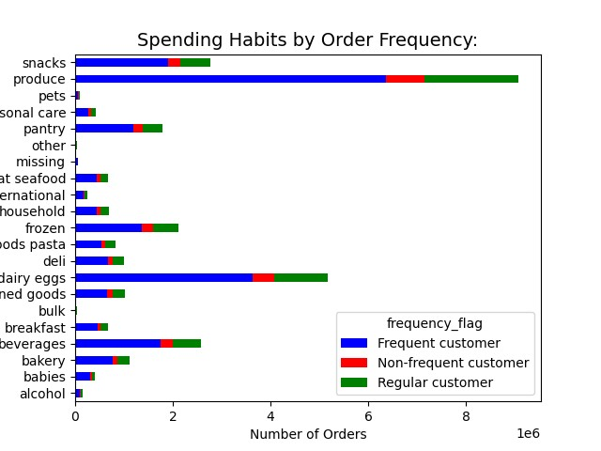
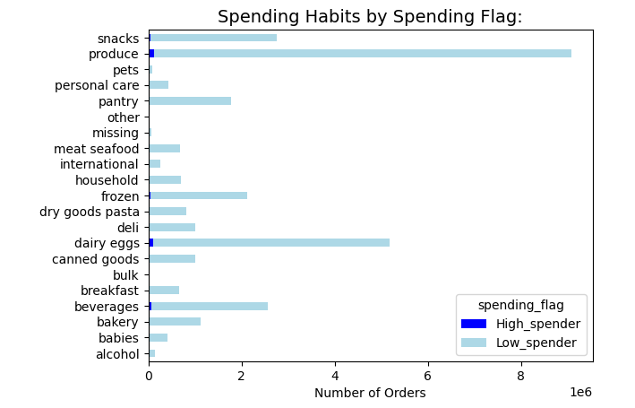
 |  |  |  |  |  |  | Title page

Visualisations

In this tab you should include all the visualtions from Exercises 4.9 and 4.10, alongside the questions from the project brief that they answer. Include any commentary on the relationship between different variables.

 |  |  |  | Key Quetions and Visualizations
1 | The sales team needs to know what the busiest days of the week and hours of the day are (i.e., the days and times with the most orders) in order to schedule ads at times when there are fewer orders.


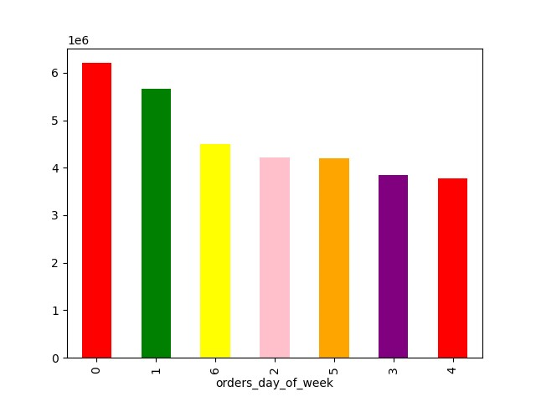

 |  |  |  |  | Day of week key
 |  |  |  |  | 0 | Saturday
 |  |  |  |  | 1 | Sunday
 |  |  |  |  | 2 | Monday
 |  |  |  |  | 3 | Tuesday
 |  |  |  |  | 4 | Wednesday
 |  |  |  |  | 5 | Thursday
 |  |  |  |  | 6 | Friday

 | They also want to know whether there are particular times of the day when people
2 | spend the most money, as this might inform the type of products they advertise at
 | these times.

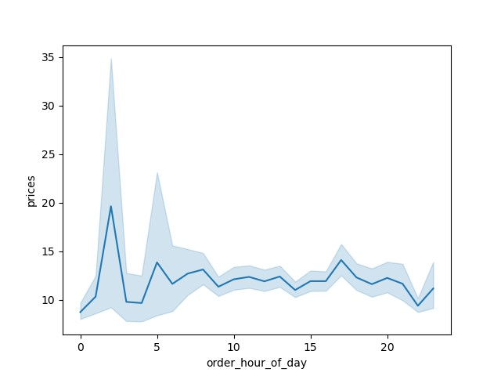

3 | Instacart has a lot of products with different price tags. Marketing and sales want to use simpler price range groupings to help direct their efforts.

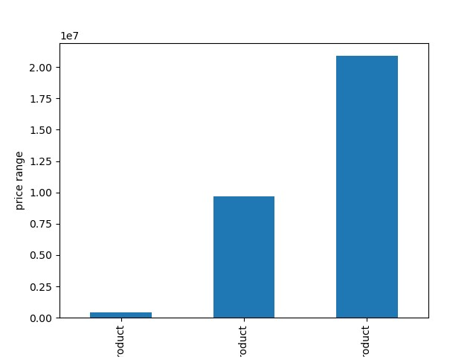
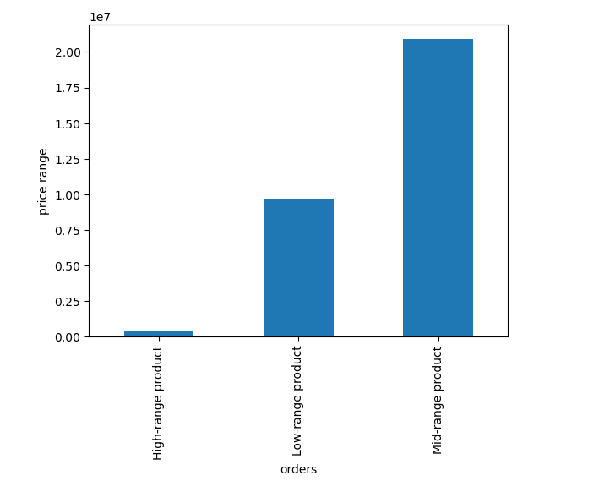

 |  |  | 'Low range product: prices <=5
 |  |  | Mid range product: prices >5 & <= 15
 |  |  | High range product: prices > 15

4 | Are there certain types of products that are more popular than others? The marketing
 | and sales teams want to know which departments have the highest frequency of
 | product orders.

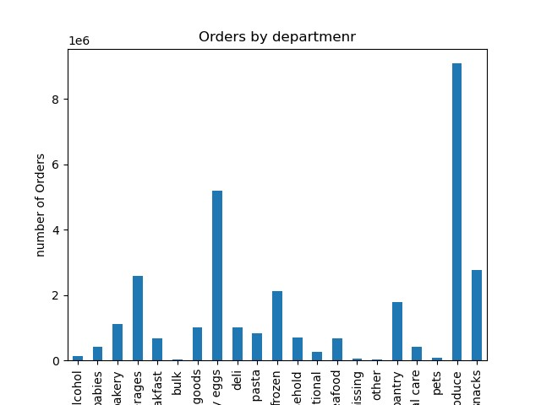

5 | What’s the distribution among users in regards to their brand loyalty (i.e., how
 | often do they return to Instacart)?

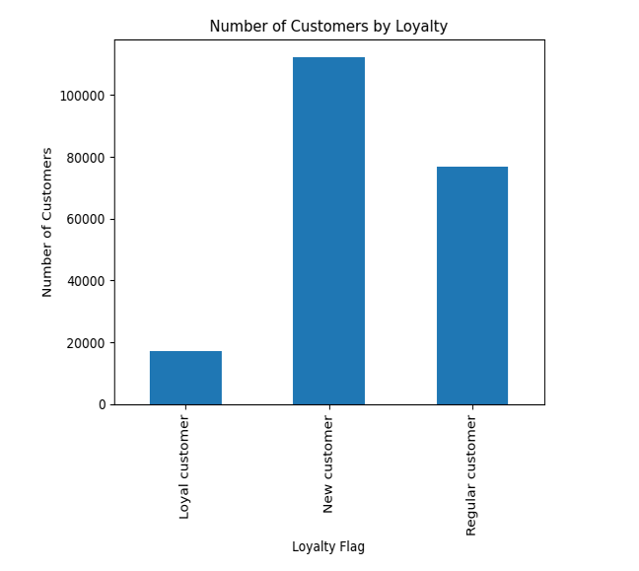

 | Loyalty Key
 | Regular | Order again an avg 10-20 days within initial purchase
 | Loyal | Order less than 10 days after their previous
 | New | Initial order followed by order 20+ days later

6 | Are there differences in ordering habits based on a customer’s loyalty status?

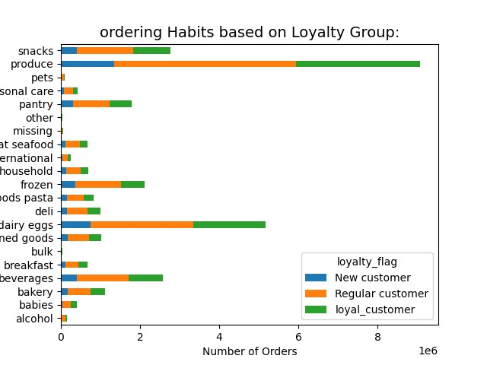

7 | Are there differences in ordering habits based on a customer’s region?

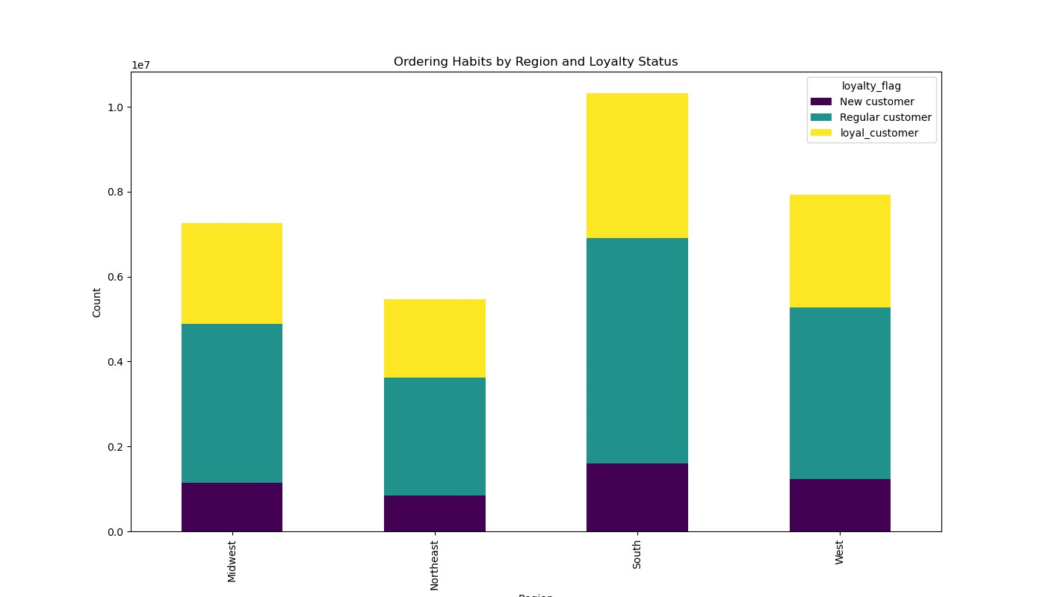

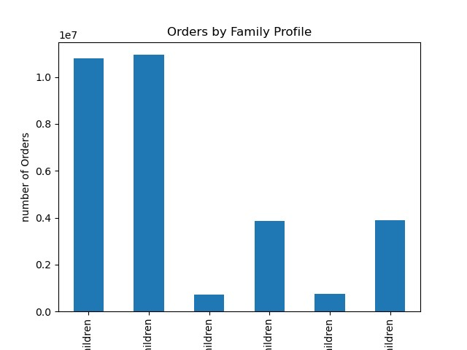
8 | Is there a connection between age and family status in terms of ordering
 | habits?
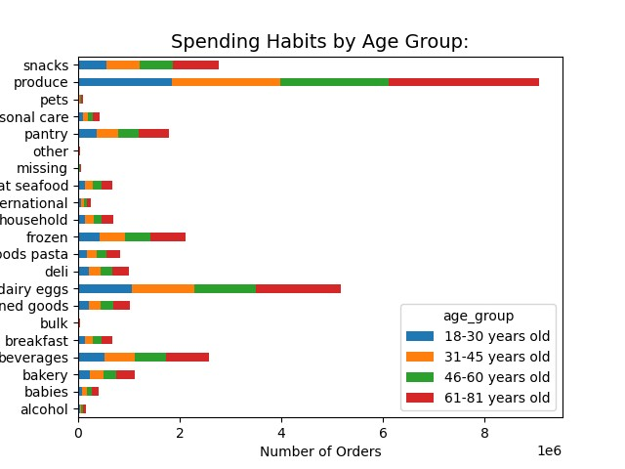
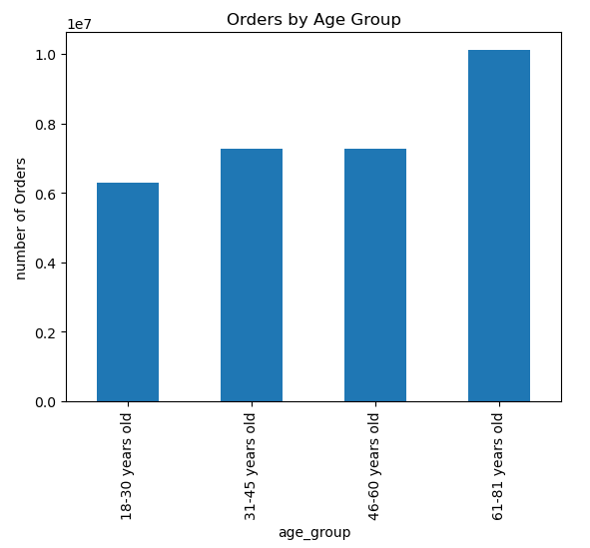

9 | What different classifications does the demographic information suggest?
 | Age? Income? Certain types of goods? Family status?

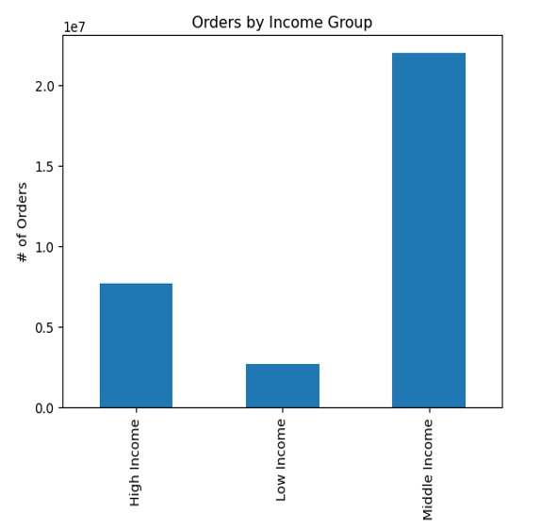

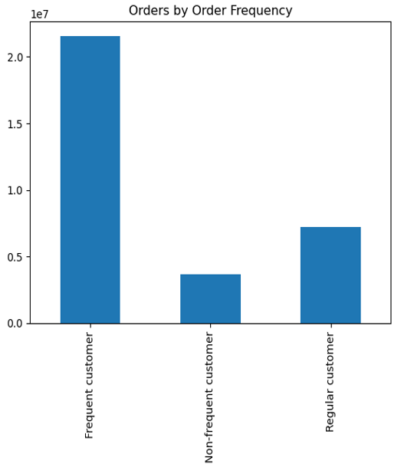

10 | What differences can you find in ordering habits of different customer
 | profiles? Consider the price of orders, the frequency of orders, the products
 | customers are ordering, and anything else you can think of.

7. Recommendations
 |  | Title page

Recommendations

In this tab you should include any recommendations you would made to Instcart in terms of their marketing strategy based on the questions posed in the brief. Every key question has been covered in the Tasks of the Exercises - here you need to add an item - a visualisation or table/crosstable that is showing the answer in the data, acompanied by a comment from you. Please, list the questions below and add the answer underneath.

Question | Answer
Key Question 1: | The sales team needs to know what the busiest days of the week and hours of the day are (i.e., the days and times with the most orders) in order to schedule ads at times when there are fewer orders.
 | Recommendations: Schedule ads during peak order times, particularly on weekends. BIntroduce special promotions during non-peak hours to drive orders during slower periods.

Key Question 2: | They also want to know whether there are particular times of the day when people spend the most money, as this might inform the type of products they advertise at these times.
 | Recommendation: during peakvhours, Offer time-limited discounts, bundle deals, or special offers to encourage purchases during peak pricing periods. Introduce flash sales or limited-time offers during the hours of observed price spikes.

Key Question 3: | Instacart has a lot of products with different price tags. Marketing and sales want to use simpler price range groupings to help direct their efforts.
 | Recommendation: . Analyze the drop-off in order frequency for high-range products. Consider adjusting prices, offering promotions, or enhancing the perceived value of these products to stimulate interest and increase orders.

Key Question 4: | Are there certain types of products that are more popular than others? The marketing and sales teams want to know which departments have the highest frequency of product orders
 | Recommendation: To maximize sales, the marketing and sales teams should prioritize their efforts on the most popular product departments, namely Produce, Dairy and Eggs, and Snacks and Beverages. These departments show the highest frequency of orders, indicating strong customer preferences. To leverage this popularity, it is recommended to intensify marketing campaigns, feature top-selling products, and create bundle deals within these high-frequency departments. Additionally, focusing on seasonal promotions for Produce, special discounts for Dairy and Eggs, and diversifying the snacks and beverage offerings can further enhance customer engagement and drive increased sales. Regularly reviewing and optimizing inventory levels for these popular departments will ensure a seamless shopping experience and customer satisfaction.

Key Question 5: | Are there differences in ordering habits based on a customer’s loyalty status?
 | Recommendation: Fostering loyalty among existing customers is key. Implement targeted campaigns for new customers to encourage initial purchases and introduce them to loyalty benefits. For regular customers, reinforce their loyalty with exclusive offers, personalized recommendations, and tiered loyalty perks. For loyal customers, continue prioritizing their experience with special incentives and early access to promotions. Simultaneously, since product preferences seem evenly distributed among loyalty statuses, ensure marketing efforts encompass a broad product range, aligning promotions with the diverse preferences of each customer segment.

Key Question 6: | Are there differences in ordering habits based on a customer’s region?
 | Recommendation: tailor marketing and product offerings to regional preferences. Focus marketing efforts on highlighting products and promotions that resonate with the preferences of customers in the South, potentially introducing region-specific deals or products. For the West and Midwest, leverage their respective strengths—consider emphasizing variety and innovation for the West and promoting reliability and consistency for the Midwest. Despite the lower order frequency in the Northeast, explore targeted strategies such as exclusive regional promotions or partnerships to boost engagement. Additionally, for products appealing to high spenders, ensure a consistent and attractive offering across all regions.

Key Question 7: | Is there a connection between age and family status in terms of ordering habits?
 | Recommendation: Consider creating targeted promotions that resonate with the lifestyle and needs of individuals in the 35-50 age group, such as family-oriented bundles, time-saving meal solutions, and exclusive discounts. Leverage marketing channels that are popular among this demographic, including social media platforms and family-oriented publications. Implement loyalty programs or subscription services that cater to the convenience and preferences of married parents.

Key Question 8: | What different classifications does the demographic information suggest? Age? Income? Certain types of goods? Family status?
 | Recommendation: For the significant number of users aged 35-50 or 65 years+, who are married with children, create targeted promotions and product bundles that cater to family needs, ensuring convenience and value. Maintain a gender-inclusive approach, ensuring that marketing messages and product offerings resonate with diverse preferences.

Key Question 9: | What differences can you find in ordering habits of different customer profiles? Consider the price of orders, the frequency of orders, the products customers are ordering, and anything else you can think of.
 | Recommendation: Tailor promotions based on specific customer segments, introducing loyalty programs for high-frequency customers and diversifying offerings within popular departments like Snacks and Beverages. Implement dynamic pricing strategies, cross-promotions, and seasonal campaigns to keep customers engaged and attract attention. Additionally, assess and enhance low-demand departments, considering targeted promotions and adjustments.

